Instructions
 | Anaerobic Digestion Policies and Incentives
 | Comprehensive List of AD Policies and Incentives (30 countries)

INSTRUCTIONS

About This File | In November 2014, GMI released A Global Perspective of Anaerobic Digestion Policies and Incentives, which provides an overview of policies, regulations and incentives used to promote anaerobic digestion (AD) in 30 countries. This file presents the information compiled during the development of the report.
Tabs | Information is separated into tabs, which are located at the bottom of the screen. If you cannot see the tab names, click the Maximize button located next to the "X" at the top-right corner of the worksheet. The current tab is named Instructions. The Summary tab provides an overview of the details that are provided on the Policies & Regulations, Incentives, and Other Drivers tabs.
Quick Sorting | The information provided in the tabs is formatted as a table. You may sort the table by clicking on the arrow in the column heading, then choosing the sort order. All of the information in the table will be sorted by the selected column.
Custom Sorting | You may sort a table by multiple columns using the Sort & Filter feature. Click on the Home tab in the ribbon at the top of the screen, then click "Sort & Filter" from the Editing group.
Note: Use the "(Select All)" option to quickly check or uncheck the full list.
Click on the dropdown arrow to set a filter.
EXAMPLE
Filtering Rows | 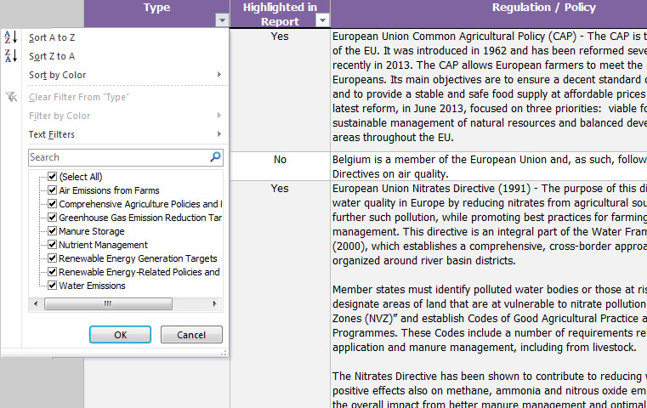 Policies and incentives are categorized by type. To view items of a particular type, you may "filter" the information to view only the rows that match your criteria. Note that you may filter more than 1 column at a time. To set a filter, do the following: 1. Click on the tab at the bottom of the screen. 2. Click on the arrow in the column heading that you want to filter. 3. Check the values that you want to be displayed; unchecked values will be hidden.
Printing | The policies and incentives tabs are formatted to print landscape (horizontal view) on A4 paper (210mm x 297mm or 8.27 x 11.69 inches). Note that worksheet rows that are hidden by filter selections will not print.

